Sheet1
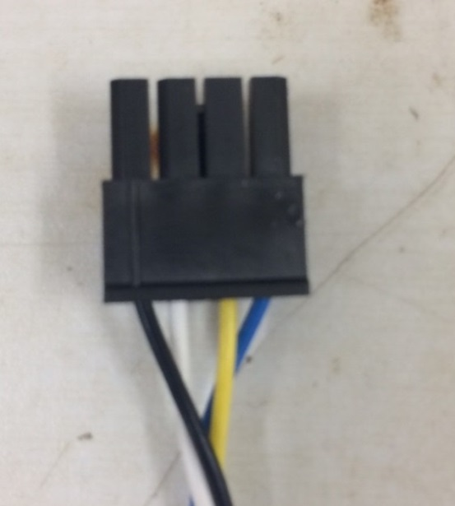
Keller Pressure Sensor Label | Description | Wire Color | Wire Color | Pin # on Pop Up Buoy Receptacle
SUP | Voltage Supply (3.3V) | Black |  | 1
GND | Ground | White |  | 2
SCL | I2C Clock | Yellow |  | 3
SDA | I2C Data | Blue |  | 4
EOC (Not Used) | End of Conversion (Not Used) | Red (Not Used) |  | None (Not Used)

